Surf Predictor
 |  | NAÏVE BAYES | - | Will I go Surfing?

 | Evidence |  |  |  |  |  | Input |  |  | Prediction
 | Weather | Water Temperature | Waves | Weekend | Went Surfing? |  | Today | Select |  | Surf? | NO
1 | sunny | warm | breaking | FALSE | yes |  | Weather | rainy
2 | sunny | warm | breaking | TRUE | yes |  | Water Temperature | cold
3 | overcast | warm | breaking | FALSE | yes |  | Waves | breaking
4 | sunny | warm | crumbly | TRUE | yes |  | Weekend | TRUE
5 | overcast | warm | crumbly | FALSE | no
6 | overcast | warm | breaking | FALSE | no |  |  | Went Surfing?
7 | rainy | mild | breaking | FALSE | yes |  |  | Class | P(Class) | Count Class | Total | P(Surf) | P(Surf)
8 | sunny | cold | crumbly | TRUE | no |  |  | yes | P(yes) | 12 | 20 | 12/20 | 60.0%
9 | overcast | warm | breaking | TRUE | yes |  |  | no | P(no) | 8 | 20 | 8/20 | 40.0%
10 | rainy | mild | breaking | FALSE | no
11 | rainy | cold | crumbly | FALSE | no |  |  | Weather |  |  |  |  |  | Water Temperature
12 | rainy | cold | crumbly | TRUE | no |  |  |  | surf yes | surf no | P(Yes) | P(No) |  |  | surf yes | surf no | P(Yes) | P(No)
13 | overcast | cold | crumbly | FALSE | no |  |  | sunny | 7 | 1 | 7/12 | 1/8 |  | warm | 6 | 2 | 6/12 | 2/8
14 | sunny | mild | breaking | FALSE | yes |  |  | overcast | 4 | 3 | 4/12 | 3/8 |  | mild | 5 | 2 | 5/12 | 2/8
15 | sunny | cold | crumbly | FALSE | yes |  |  | rainy | 1 | 4 | 1/12 | 4/8 |  | cold | 1 | 4 | 1/12 | 4/8
16 | sunny | mild | crumbly | FALSE | yes |  |  | total | 12 | 8 | 12/12 | 8/8 |  | total | 12 | 8 | 12/12 | 8/8
17 | sunny | mild | crumbly | TRUE | yes
18 | overcast | mild | breaking | TRUE | yes |  |  | Waves |  |  |  |  |  | Weekend
19 | overcast | warm | crumbly | FALSE | yes |  |  |  | surf yes | surf no | P(Yes) | P(No) |  |  | surf yes | surf no | P(Yes) | P(No)
20 | rainy | mild | breaking | TRUE | no |  |  | breaking | 7 | 3 | 7/12 | 3/8 |  | FALSE | 7 | 5 | 7/12 | 5/8
 |  |  |  |  |  |  |  | crumbly | 5 | 5 | 5/12 | 5/8 |  | TRUE | 5 | 3 | 5/12 | 3/8
 |  |  |  |  |  |  |  | total | 12 | 8 | 12/12 | 8/8 |  | total | 12 | 8 | 12/12 | 8/8

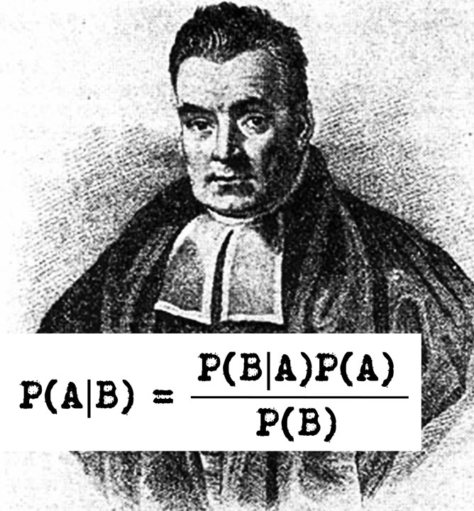
 |  |  | Evidence
 |  |  | P(Weather=rainy) | 0.250 |  |  | Probability that we will choose to surf | Surf = Yes |  |  |  | Probability that we will choose not to surf | Surf = No
 |  |  | P(Water Temperature=cold) | 0.250 |  |  | P(Weather=rainy|Surf=yes) | 0.083 |  |  |  | P(Weather=rainy|Surf=no) | 0.500
 |  |  | P(Waves=breaking) | 0.500 |  |  | P(Water Temperature=cold|Surf=yes) | 0.083 |  |  |  | P(Water Temperature=cold|Surf=no) | 0.333
 |  |  | P(Weekend=TRUE) | 0.400 |  |  | P(Waves=breaking|Surf=yes) | 0.583 |  |  |  | P(Waves=breaking|Surf=no) | 0.250
 |  |  |  |  |  |  | P(Weekend=TRUE|Surf=yes) | 0.417 |  |  |  | P(Weekend=TRUE|Surf=no) | 0.250
 |  |  |  |  |  |  | P(surf=yes) | 0.600 |  |  |  | P(surf=yes) | 0.400

 |  |  |  |  |  |  | P(B|A) x P(A)
 |  |  |  |  |  |  | P(B|Surf=Yes) x P(Surf=Yes) | 0.001 | = (0.083 x 0.083 x 0.583 x 0.417 x 0.6)
 |  |  |  |  |  |  | P(B|Surf=No) x P(Surf=No) | 0.00416 | = (0.5 x 0.333 x 0.25 x 0.25 x 0.4)

 |  |  |  |  |  |  | P(B)
 |  |  |  |  |  |  | P(rainy,cold,breaking,TRUE) | 0.0125 | = (0.25 x 0.25 x 0.5 x 0.4)

 |  |  |  |  | Naïve Bayes Prediction (A=Will Surf) | P(A/B) = | P(B|A) x P(A) / P(B) | 0.08
 |  |  |  |  | Naïve Bayes Prediction (A=Will NOT Surf) | P(A/B) = | P(B|A) x P(A) / P(B) | 0.33

